Linear Regression
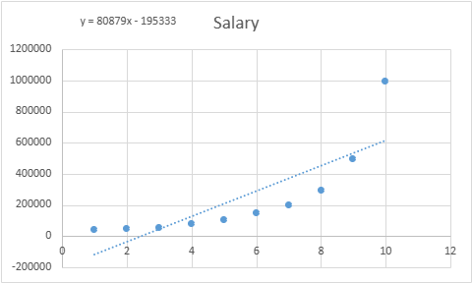
Position | Level | Salary | Linear Regression
Business Analyst | 1 | 45000
Junior Consultant | 2 | 50000
Senior Consultant | 3 | 60000 | SUMMARY OUTPUT
Manager | 4 | 80000
Country Manager | 5 | 110000 | Regression Statistics
Region Manager | 6 | 150000 | Multiple R | 0.817949407
Partner | 7 | 200000 | R Square | 0.669041233
Senior Partner | 8 | 300000 | Adjusted R Square | 0.627671387
C-level | 9 | 500000 | Standard Error | 182674.1593
CEO | 10 | 1000000 | Observations | 10

 |  |  | ANOVA
 |  |  |  | df | SS | MS | F | Significance F
 |  |  | Regression | 1 | 5.40E+11 | 5.40E+11 | 16.17219546 | 0.003833318
 |  |  | Residual | 8 | 2.67E+11 | 33369848485
 |  |  | Total | 9 | 8.07E+11

 |  |  |  | Coefficients | Standard Error | t Stat | P-value | Lower 95% | Upper 95% | Lower 95.0% | Upper 95.0%
 |  |  | Intercept | -195333.3333 | 124790.2078 | -1.565293758 | 0.156145741 | -483100.0685 | 92433.40186 | -483100.0685 | 92433.40186
 |  |  | Level | 80878.78788 | 20111.76302 | 4.021466829 | 0.003833318 | 34500.97918 | 127256.5966 | 34500.97918 | 127256.5966

 |  |  | RESIDUAL OUTPUT

 |  |  | Observation | Predicted Salary | Residuals
 |  |  | 1 | -114454.5455 | 159454.5455
 |  |  | 2 | -33575.75758 | 83575.75758
 |  |  | 3 | 47303.0303 | 12696.9697
 |  |  | 4 | 128181.8182 | -48181.81818
 |  |  | 5 | 209060.6061 | -99060.60606
 |  |  | 6 | 289939.3939 | -139939.3939
 |  |  | 7 | 370818.1818 | -170818.1818
 |  |  | 8 | 451696.9697 | -151696.9697
 |  |  | 9 | 532575.7576 | -32575.75758
 |  |  | 10 | 613454.5455 | 386545.4545

Polynomial Regression
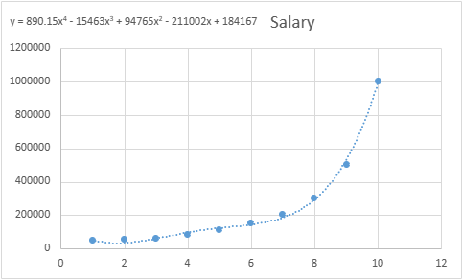
Position | Level | Salary |  |  | Polynomial Regression
Business Analyst | 1 | 45000
Junior Consultant | 2 | 50000
Senior Consultant | 3 | 60000 |  |  | SUMMARY OUTPUT
Manager | 4 | 80000
Country Manager | 5 | 110000 |  |  | Regression Statistics
Region Manager | 6 | 150000 |  |  | Multiple R | 0.998695293
Partner | 7 | 200000 |  |  | R Square | 0.997392289
Senior Partner | 8 | 300000 |  |  | Adjusted R Square | 0.995306121
C-level | 9 | 500000 |  |  | Standard Error | 20510.67151
CEO | 10 | 1000000 |  |  | Observations | 10

 |  |  |  |  | ANOVA
 |  |  |  |  |  | df | SS | MS | F | Significance F
x | x^2 | x^3 | x^4 | Salary | Regression | 4 | 8.05E+11 | 2.01E+11 | 478.0976278 | 1.21E-06
1 | 1 | 1 | 1 | 45000 | Residual | 5 | 2103438228 | 420687645.7
2 | 4 | 8 | 16 | 50000 | Total | 9 | 8.07E+11
3 | 9 | 27 | 81 | 60000
4 | 16 | 64 | 256 | 80000 |  | Coefficients | Standard Error | t Stat | P-value | Lower 95% | Upper 95% | Lower 95.0% | Upper 95.0%
5 | 25 | 125 | 625 | 110000 | Intercept | 184166.6667 | 67768.0367 | 2.717603691 | 0.041894463 | 9963.382478 | 358369.9509 | 9963.382478 | 358369.9509
6 | 36 | 216 | 1296 | 150000 | x | -211002.331 | 76382.16683 | -2.762455423 | 0.039718855 | -407348.9416 | -14655.72038 | -407348.9416 | -14655.72038
7 | 49 | 343 | 2401 | 200000 | x^2 | 94765.44289 | 26454.17274 | 3.582249342 | 0.015837168 | 26762.82697 | 162768.0588 | 26762.82697 | 162768.0588
8 | 64 | 512 | 4096 | 300000 | x^3 | -15463.28671 | 3534.98863 | -4.374352602 | 0.007192613 | -24550.26428 | -6376.309151 | -24550.26428 | -6376.309151
9 | 81 | 729 | 6561 | 500000 | x^4 | 890.1515152 | 159.8032549 | 5.570296523 | 0.002567663 | 479.3641708 | 1300.938859 | 479.3641708 | 1300.938859
10 | 100 | 1000 | 10000 | 1000000

 |  |  |  |  | RESIDUAL OUTPUT

 |  |  |  |  | Observation | Predicted Salary | Residuals
 |  |  |  |  | 1 | 53356.64336 | -8356.643357
 |  |  |  |  | 2 | 31759.90676 | 18240.09324
 |  |  |  |  | 3 | 58642.19114 | 1357.808858
 |  |  |  |  | 4 | 94632.86713 | -14632.86713
 |  |  |  |  | 5 | 121724.9417 | -11724.94172
 |  |  |  |  | 6 | 143275.0583 | 6724.941725
 |  |  |  |  | 7 | 184003.4965 | 15996.5035
 |  |  |  |  | 8 | 289994.1725 | 10005.82751
 |  |  |  |  | 9 | 528694.6387 | -28694.63869
 |  |  |  |  | 10 | 988916.0839 | 11083.91608

